Sheet1
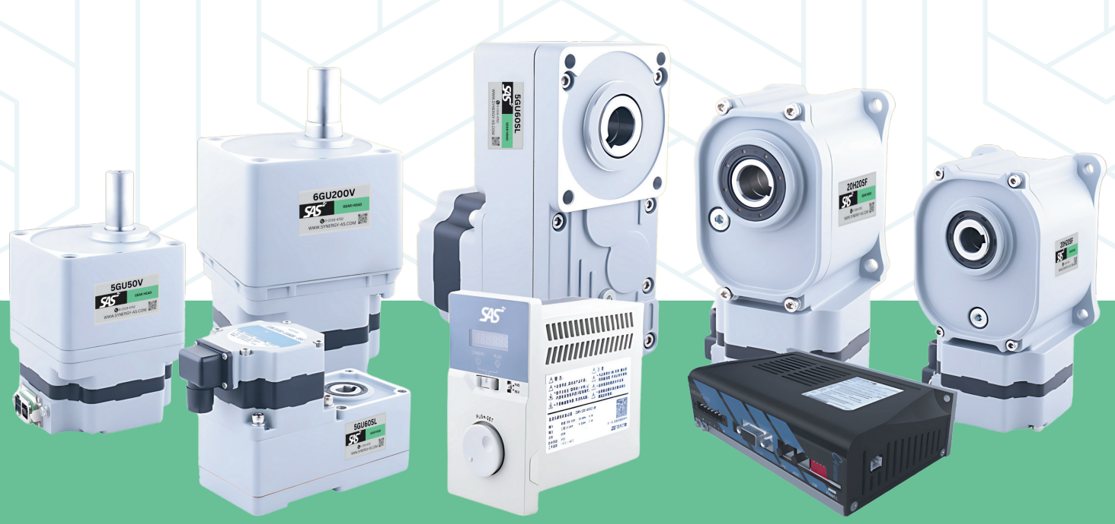
High BLDC Gear Motor Price List 14-02-26
Type | BLDC Motor / Gear Head / | ZDRV.C30-400C2-BDR-A | ZDRV.C40-200S2-BR-001
Complete Set |  | 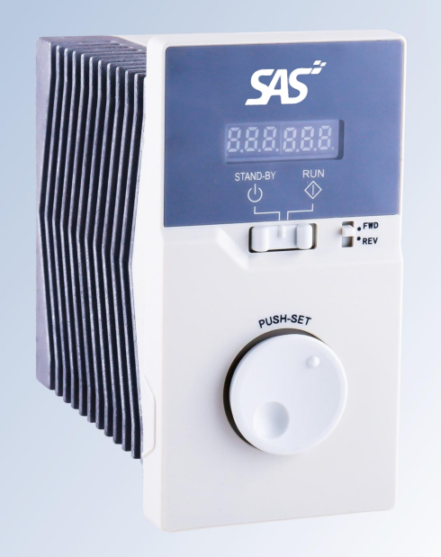 | 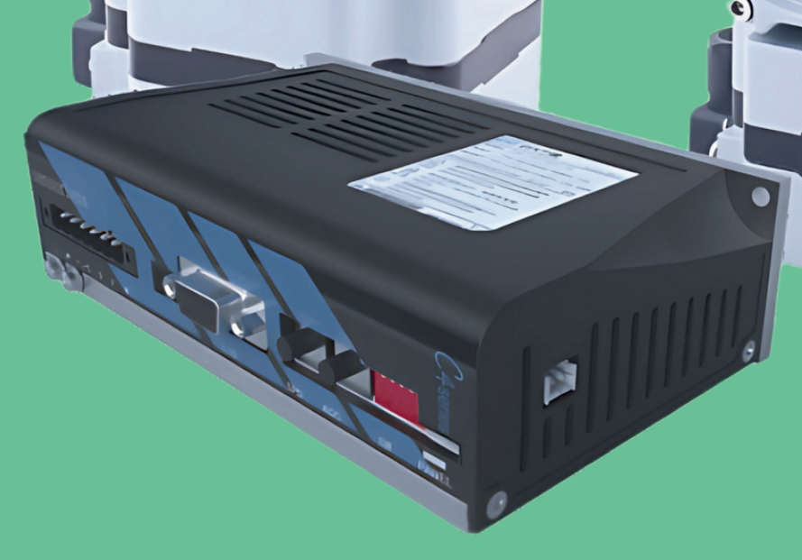

Gear Model : GU..V
Gear Model : GU..SF
Gear Model : GU..SL
 | 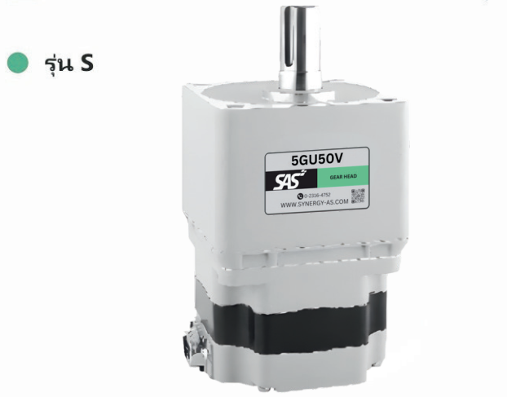 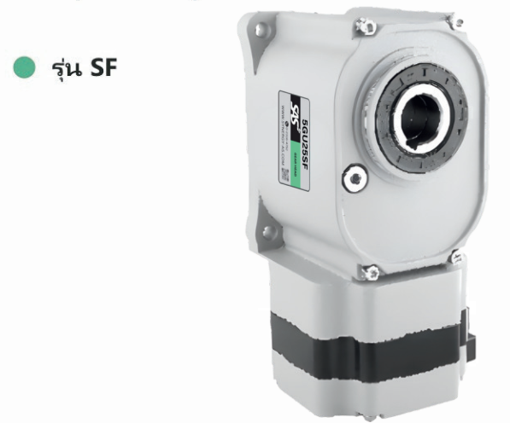 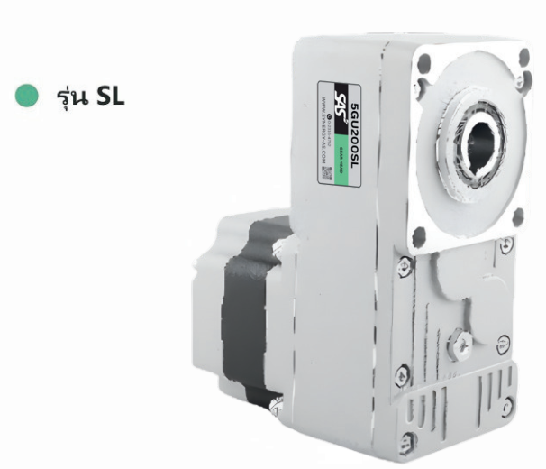

ข้อควรระวัง | Gear Head : GN ต้องคู่กับ AC Motor : RGN หรือ GN เท่านั้น
 | Gear Head : GU ต้องคู่กับ AC Motor : RGU หรือ GU เท่านั้น
 | Gear Head : เฉพาะมอเตอร์ 60W,90W,120 Model: 5GU□K หัวเกียร์จะเป็นแบบ มีหู นอกนั้นอ้างอิงจากรูปด้านบน
 | Code Option ของมอเตอร์ที่ควรรู้ หากในcodeมีตัวอักษรดังต่อไปนี้ :
 | *C : Motor 1 Phase220V , *T : กล่องไฟ , *S : Motor 3 phase220V , *F : มอเตอร์ติดพัดลม , *M : มอเตอร์ติดเบรค ( Electromagnetic brake)
 | **ทุกครั้งที่ Code หัวเกียร์เปลี่ยนให้เปลี่ยน Detail : Ratio 1: ..? ให้ตรงกับ Code ด้วย =เช่น 2GN36K , Detail : Ratio 1:36.
Code | Detail | Type | Price STD~MG45%
High Efficiency Brushless Gear Motor สำหรับ 30W
Z2BLD30-220GV-15S | 30W High Efficiency Brushless Motor , 1Phase 110/220VAC , Rate speed 1500 rpm , IP20. | BLDC Motor | 1790.00
Z2BLD30-220GV-20S | 30W High Efficiency Brushless Motor , 1Phase 110/220VAC , Rate speed 2000 rpm , IP20. | BLDC Motor | 1790.00
Z2BLD30-220GV-30S | 30W High Efficiency Brushless Motor , 1Phase 110/220VAC , Rate speed 3000 rpm , IP20. | BLDC Motor | 1790.00
Z2BLD30-220GV-40S | 30W High Efficiency Brushless Motor , 1Phase 110/220VAC , Rate speed 4000 rpm , IP20. | BLDC Motor | 1890.00
Z2BLD60-220GS-15S | 60W High Efficiency Brushless Motor , 1Phase 110/220VAC , Rate speed 1500 rpm , IP20. | BLDC Motor | 2360.00
Z2BLD60-220GS-20S | 60W High Efficiency Brushless Motor , 1Phase 110/220VAC , Rate speed 2000 rpm , IP20. | BLDC Motor | 2360.00
Z2BLD60-220GS-30S | 60W High Efficiency Brushless Motor , 1Phase 110/220VAC , Rate speed 3000 rpm , IP20. | BLDC Motor | 2360.00
Z2BLD60-220GS-40S | 60W High Efficiency Brushless Motor , 1Phase 110/220VAC , Rate speed 4000 rpm , IP20. | BLDC Motor | 2360.00
Z2BLD100-220GSL-15S | 100W High Efficiency Brushless Motor , 1Phase 110/220VAC , Rate speed 1500 rpm , IP20. | BLDC Motor | 2360.00
Z2BLD100-220GSL-15S | 100W High Efficiency Brushless Motor , 1Phase 110/220VAC , Rate speed 1500 rpm , IP20. | BLDC Motor | 2360.00
Z2BLD100-220GSL-15S | 100W High Efficiency Brushless Motor , 1Phase 110/220VAC , Rate speed 1500 rpm , IP20. | BLDC Motor | 2360.00
Z2BLD100-220GSL-15S | 100W High Efficiency Brushless Motor , 1Phase 110/220VAC , Rate speed 1500 rpm , IP20. | BLDC Motor | 2360.00
12H7.5SF | Frame size 60mm gearbox,Right Angle,Ratio 1:7.5 , Hollow Shaft Dia. Ø12mm , Keyway. | Gear Head | 2240.00
12H10SF | Frame size 60mm gearbox,Right Angle,Ratio 1:10 , Hollow Shaft Dia. Ø12mm , Keyway. |  | 2240.00
12H20SF | Frame size 60mm gearbox,Right Angle,Ratio 1:20 , Hollow Shaft Dia. Ø12mm , Keyway. |  | 2240.00
12H30SF | Frame size 60mm gearbox,Right Angle,Ratio 1:30 , Hollow Shaft Dia. Ø12mm , Keyway. |  | 2240.00
12H50SF | Frame size 60mm gearbox,Right Angle,Ratio 1:50 , Hollow Shaft Dia. Ø12mm , Keyway. |  | 2290.00
2GU5V | Frame size 60mm gearbox, Ratio 1:5 , Output shaft Dia. Ø10mm | Gear Head | 990.00
2GU7.5V | Frame size 60mm gearbox, Ratio 1:7.5 , Output shaft Dia. Ø10mm | Gear Head | 990.00
2GU10V | Frame size 60mm gearbox, Ratio 1:10 , Output shaft Dia. Ø10mm | Gear Head | 990.00
2GU15V | Frame size 60mm gearbox, Ratio 1:15 , Output shaft Dia. Ø10mm | Gear Head | 990.00
2GU20V | Frame size 60mm gearbox, Ratio 1:20 , Output shaft Dia. Ø10mm | Gear Head | 990.00
2GU25V | Frame size 60mm gearbox, Ratio 1:25 , Output shaft Dia. Ø10mm | Gear Head | 990.00
2GU5SL | Frame size 60mm , Parallel shaft gear box , Ratio 1:5 , Output shaft Dia. Ø12mm , Keyway. | Gear Head | 2250.00
2GU7.5SL | Frame size 60mm , Parallel shaft gear box , Ratio 1:7.5 , Output shaft Dia. Ø12mm , Keyway. | Gear Head | 2250.00
2GU10SL | Frame size 60mm , Parallel shaft gear box , Ratio 1:10 , Output shaft Dia. Ø12mm , Keyway. | Gear Head | 2250.00
2GU15SL | Frame size 60mm , Parallel shaft gear box , Ratio 1:15 , Output shaft Dia. Ø12mm , Keyway. | Gear Head | 2250.00
2GU20SL | Frame size 60mm , Parallel shaft gear box , Ratio 1:20 , Output shaft Dia. Ø12mm , Keyway. | Gear Head | 2250.00
2GU25SL | Frame size 60mm , Parallel shaft gear box , Ratio 1:25 , Output shaft Dia. Ø12mm , Keyway. | Gear Head | 2250.00
2GU30SL | Frame size 60mm , Parallel shaft gear box , Ratio 1:30 , Output shaft Dia. Ø12mm , Keyway. | Gear Head | 2250.00
2GU50SL | Frame size 60mm , Parallel shaft gear box , Ratio 1:50 , Output shaft Dia. Ø12mm , Keyway. | Gear Head | 2250.00
 | Remark Gear Ratio 5 - 20 ราคาเท่ากัน
2GU30V | Frame size 60mm gearbox, Ratio 1:30 , Output shaft Dia. Ø10mm | Gear Head | 1150.00
2GU50V | Frame size 60mm gearbox, Ratio 1:50 , Output shaft Dia. Ø10mm | Gear Head | 1150.00
 | Remark Gear Ratio 30 - 50 ราคาเท่ากัน
2GU100V | Frame size 60mm gearbox, Ratio 1:100 , Output shaft Dia. Ø10mm | Gear Head | 1260.00
2GU200V | Frame size 60mm gearbox, Ratio 1:200 , Output shaft Dia. Ø10mm | Gear Head | 1260.00
 | Remark Gear Ratio 100 - 200 ราคาเท่ากัน
ZDRV.C30-400C2-BDR-A | Driver 1Phase 200-240VAC With Display & RS485 Communication. | Driver | 5390.00
ZDRV.C40-200S2-BR-001 | Driver 1Phase 200-240VAC , Brake function, RS485 Communication, CanOpen. | Driver | 5460.00
High Efficiency Brushless Gear Motor สำหรับ 60W
Z3BLD60-220GV-15S | 60W High Efficiency Brushless Motor , 1Phase 110/220VAC , Rate speed 1500 rpm , IP20. | BLDC Motor | 2490.00
Z3BLD60-220GV-20S | 60W High Efficiency Brushless Motor , 1Phase 110/220VAC , Rate speed 2000 rpm , IP20. | BLDC Motor | 2490.00
Z3BLD60-220GV-30S | 60W High Efficiency Brushless Motor , 1Phase 110/220VAC , Rate speed 3000 rpm , IP20. | BLDC Motor | 2490.00
Z3BLD60-220GV-40S | 60W High Efficiency Brushless Motor , 1Phase 110/220VAC , Rate speed 4000 rpm , IP20. | BLDC Motor | 2590.00
3GU5V | Frame size 70mm gearbox, Ratio 1:5 , Output shaft Dia. Ø12mm | Gear Head | 1060.00
3GU10V | Frame size 70mm gearbox, Ratio 1:10 , Output shaft Dia. Ø12mm | Gear Head | 1060.00
3GU15V | Frame size 70mm gearbox, Ratio 1:15 , Output shaft Dia. Ø12mm | Gear Head | 1060.00
3GU20V | Frame size 70mm gearbox, Ratio 1:20 , Output shaft Dia. Ø12mm | Gear Head | 1060.00
 | Remark Gear Ratio 5 - 20 ราคาเท่ากัน
3GU30V | Frame size 70mm gearbox, Ratio 1:30 , Output shaft Dia. Ø12mm | Gear Head | 1260.00
3GU50V | Frame size 70mm gearbox, Ratio 1:50 , Output shaft Dia. Ø12mm | Gear Head | 1260.00
 | Remark Gear Ratio 30 - 50 ราคาเท่ากัน
3GU100V | Frame size 70mm gearbox, Ratio 1:100 , Output shaft Dia. Ø12mm | Gear Head | 1440.00
3GU200V | Frame size 70mm gearbox, Ratio 1:200 , Output shaft Dia. Ø12mm | Gear Head | 1440.00
 | Remark Gear Ratio 100 - 200 ราคาเท่ากัน
ZDRV.C30-400C2-BDR-A | Driver 1Phase 200-240VAC With Display & RS485 Communication. | Driver | 5390.00
ZDRV.C40-200S2-BR-001 | Driver 1Phase 200-240VAC , Brake function, RS485 Communication, CanOpen. | Driver | 5460.00
High Efficiency Brushless Gear Motor สำหรับ 60W
Z4BLD60-220GV-15S | 60W High Efficiency Brushless Motor , 1Phase 110/220VAC , Rate speed 1500 rpm , IP20. | BLDC Motor | 2690.00
Z4BLD60-220GV-20S | 60W High Efficiency Brushless Motor , 1Phase 110/220VAC , Rate speed 2000 rpm , IP20. | BLDC Motor | 2690.00
Z4BLD60-220GV-30S | 60W High Efficiency Brushless Motor , 1Phase 110/220VAC , Rate speed 3000 rpm , IP20. | BLDC Motor | 2690.00
Z4BLD60-220GV-40S | 60W High Efficiency Brushless Motor , 1Phase 110/220VAC , Rate speed 4000 rpm , IP20. | BLDC Motor | 2790.00
Z4BLD120-220GS-15S | 120W High Efficiency Brushless Motor , 1Phase 110/220VAC , Rate speed 1500 rpm , IP20. | BLDC Motor | 3050.00
Z4BLD120-220GS-20S | 120W High Efficiency Brushless Motor , 1Phase 110/220VAC , Rate speed 2000 rpm , IP20. | BLDC Motor | 3050.00
Z4BLD120-220GS-30S | 120W High Efficiency Brushless Motor , 1Phase 110/220VAC , Rate speed 3000 rpm , IP20. | BLDC Motor | 3050.00
Z4BLD120-220GS-40S | 120W High Efficiency Brushless Motor , 1Phase 110/220VAC , Rate speed 4000 rpm , IP20. | BLDC Motor | 3050.00
15H7.5SF | Frame size 80mm gearbox,Right Angle,Ratio 1:7.5 , Hollow Shaft Dia. Ø15mm , Keyway. | Gear Head | 3010.00
15H10SF | Frame size 80mm gearbox,Right Angle,Ratio 1:10 , Hollow Shaft Dia. Ø15mm , Keyway. |  | 3010.00
15H20SF | Frame size 80mm gearbox,Right Angle,Ratio 1:20 , Hollow Shaft Dia. Ø15mm , Keyway. |  | 3010.00
15H30SF | Frame size 80mm gearbox,Right Angle,Ratio 1:30 , Hollow Shaft Dia. Ø15mm , Keyway. |  | 3010.00
15H50SF | Frame size 80mm gearbox,Right Angle,Ratio 1:50 , Hollow Shaft Dia. Ø15mm , Keyway. |  | 3020.00
4GU5V | Frame size 80mm gearbox, Ratio 1:5 , Output shaft Dia. Ø15mm | Gear Head | 1260.00
4GU10V | Frame size 80mm gearbox, Ratio 1:10 , Output shaft Dia. Ø15mm | Gear Head | 1260.00
4GU15V | Frame size 80mm gearbox, Ratio 1:15 , Output shaft Dia. Ø15mm | Gear Head | 1260.00
4GU20V | Frame size 80mm gearbox, Ratio 1:20 , Output shaft Dia. Ø15mm | Gear Head | 1260.00
 | Remark Gear Ratio 5 - 20 ราคาเท่ากัน
4GU30V | Frame size 80mm gearbox, Ratio 1:30 , Output shaft Dia. Ø15mm | Gear Head | 1460.00
4GU50V | Frame size 80mm gearbox, Ratio 1:50 , Output shaft Dia. Ø15mm | Gear Head | 1460.00
 | Remark Gear Ratio 30 - 50 ราคาเท่ากัน
4GU100V | Frame size 80mm gearbox, Ratio 1:100 , Output shaft Dia. Ø15mm | Gear Head | 1640.00
4GU200V | Frame size 80mm gearbox, Ratio 1:200 , Output shaft Dia. Ø15mm | Gear Head | 1640.00
 | Remark Gear Ratio 100 - 200 ราคาเท่ากัน
ZDRV.C30-400C2-BDR-A | Driver 1Phase 200-240VAC With Display & RS485 Communication. | Driver | 5390.00
ZDRV.C40-200S2-BR-001 | Driver 1Phase 200-240VAC , Brake function, RS485 Communication, CanOpen. | Driver | 5460.00
High Efficiency Brushless Gear Motor สำหรับ 120W
Z4BLD120-220GV-15S | 120W High Efficiency Brushless Motor , 1Phase 110/220VAC , Rate speed 1500 rpm , IP20. | BLDC Motor | 2750.00
Z4BLD120-220GV-20S | 120W High Efficiency Brushless Motor , 1Phase 110/220VAC , Rate speed 2000 rpm , IP20. | BLDC Motor | 2750.00
Z4BLD120-220GV-30S | 120W High Efficiency Brushless Motor , 1Phase 110/220VAC , Rate speed 3000 rpm , IP20. | BLDC Motor | 2750.00
Z4BLD120-220GV-40S | 120W High Efficiency Brushless Motor , 1Phase 110/220VAC , Rate speed 4000 rpm , IP20. | BLDC Motor | 2850.00
Z4BLD200-220GSL-15S | 200W High Efficiency Brushless Motor , 1Phase 110/220VAC , Rate speed 1500 rpm , IP20. | BLDC Motor | 3490.00
Z4BLD200-220GSL-20S | 200W High Efficiency Brushless Motor , 1Phase 110/220VAC , Rate speed 2000 rpm , IP20. | BLDC Motor | 3490.00
Z4BLD200-220GSL-30S | 200W High Efficiency Brushless Motor , 1Phase 110/220VAC , Rate speed 3000 rpm , IP20. | BLDC Motor | 3490.00
Z4BLD200-220GSL-40S | 200W High Efficiency Brushless Motor , 1Phase 110/220VAC , Rate speed 4000 rpm , IP20. | BLDC Motor | 3490.00
4GU5SL | Frame size 80mm , Parallel shaft gear box , Ratio 1:5 , Output shaft Dia. Ø15mm , Keyway. | Gear Head | 3240.00
4GU7.5SL | Frame size 80mm , Parallel shaft gear box , Ratio 1:7.5 , Output shaft Dia. Ø15mm , Keyway. | Gear Head | 3240.00
4GU10SL | Frame size 80mm , Parallel shaft gear box , Ratio 1:10 , Output shaft Dia. Ø15mm , Keyway. | Gear Head | 3240.00
4GU15SL | Frame size 60mm , Parallel shaft gear box , Ratio 1:15 , Output shaft Dia. Ø15mm , Keyway. | Gear Head | 3240.00
4GU20SL | Frame size 80mm , Parallel shaft gear box , Ratio 1:20 , Output shaft Dia. Ø15mm , Keyway. | Gear Head | 3240.00
4GU25SL | Frame size 80mm , Parallel shaft gear box , Ratio 1:25 , Output shaft Dia. Ø15mm , Keyway. | Gear Head | 3240.00
4GU30SL | Frame size 80mm , Parallel shaft gear box , Ratio 1:30 , Output shaft Dia. Ø15mm , Keyway. | Gear Head | 3240.00
4GU50SL | Frame size 80mm , Parallel shaft gear box , Ratio 1:50 , Output shaft Dia. Ø15mm , Keyway. | Gear Head | 3240.00
4GU5V | Frame size 80mm gearbox, Ratio 1:5 , Output shaft Dia. Ø15mm | Gear Head | 1260.00
4GU10V | Frame size 80mm gearbox, Ratio 1:10 , Output shaft Dia. Ø15mm | Gear Head | 1260.00
4GU15V | Frame size 80mm gearbox, Ratio 1:15 , Output shaft Dia. Ø15mm | Gear Head | 1260.00
4GU20V | Frame size 80mm gearbox, Ratio 1:20 , Output shaft Dia. Ø15mm | Gear Head | 1260.00
 | Remark Gear Ratio 5 - 20 ราคาเท่ากัน
4GU30V | Frame size 80mm gearbox, Ratio 1:30 , Output shaft Dia. Ø15mm | Gear Head | 1460.00
4GU50V | Frame size 80mm gearbox, Ratio 1:50 , Output shaft Dia. Ø15mm | Gear Head | 1460.00
 | Remark Gear Ratio 30 - 50 ราคาเท่ากัน
4GU100V | Frame size 80mm gearbox, Ratio 1:100 , Output shaft Dia. Ø15mm | Gear Head | 1640.00
4GU200V | Frame size 80mm gearbox, Ratio 1:200 , Output shaft Dia. Ø15mm | Gear Head | 1640.00
 | Remark Gear Ratio 100 - 200 ราคาเท่ากัน
ZDRV.C30-400C2-BDR-A | Driver 1Phase 200-240VAC With Display & RS485 Communication. | Driver | 5390.00
ZDRV.C40-200S2-BR-001 | Driver 1Phase 200-240VAC , Brake function, RS485 Communication, CanOpen. | Driver | 5460.00
High Efficiency Brushless Gear Motor สำหรับ 120W
Z5BLD120-220GV-15S | 120W High Efficiency Brushless Motor , 1Phase 110/220VAC , Rate speed 1500 rpm , IP20. | BLDC Motor | 2960.00
Z5BLD120-220GV-20S | 120W High Efficiency Brushless Motor , 1Phase 110/220VAC , Rate speed 2000 rpm , IP20. | BLDC Motor | 2960.00
Z5BLD120-220GV-30S | 120W High Efficiency Brushless Motor , 1Phase 110/220VAC , Rate speed 3000 rpm , IP20. | BLDC Motor | 2960.00
Z5BLD120-220GV-40S | 120W High Efficiency Brushless Motor , 1Phase 110/220VAC , Rate speed 4000 rpm , IP20. | BLDC Motor | 3090.00
Z5BLD200-220GS-15S | 200W High Efficiency Brushless Motor , 1Phase 110/220VAC , Rate speed 1500 rpm , IP20. | BLDC Motor | 3650.00
Z5BLD200-220GS-20S | 200W High Efficiency Brushless Motor , 1Phase 110/220VAC , Rate speed 2000 rpm , IP20. | BLDC Motor | 3650.00
Z5BLD200-220GS-30S | 200W High Efficiency Brushless Motor , 1Phase 110/220VAC , Rate speed 3000 rpm , IP20. | BLDC Motor | 3650.00
Z5BLD200-220GS-40S | 200W High Efficiency Brushless Motor , 1Phase 110/220VAC , Rate speed 4000 rpm , IP20. | BLDC Motor | 3650.00
20H7.5SF | Frame size 90mm gearbox,Right Angle,Ratio 1:7.5 , Hollow Shaft Dia. Ø20mm , Keyway. | Gear Head | 3640.00
20H10SF | Frame size 90mm gearbox,Right Angle,Ratio 1:10 , Hollow Shaft Dia. Ø20mm , Keyway. |  | 3640.00
20H20SF | Frame size 90mm gearbox,Right Angle,Ratio 1:20 , Hollow Shaft Dia. Ø20mm , Keyway. |  | 3640.00
20H30SF | Frame size 90mm gearbox,Right Angle,Ratio 1:30 , Hollow Shaft Dia. Ø20mm , Keyway. |  | 3640.00
20H50SF | Frame size 90mm gearbox,Right Angle,Ratio 1:50 , Hollow Shaft Dia. Ø20mm , Keyway. |  | 3640.00
5GU5V | Frame size 90mm gearbox, Ratio 1:5 , Output shaft Dia. Ø18mm | Gear Head | 1650.00
5GU10V | Frame size 90mm gearbox, Ratio 1:10 , Output shaft Dia. Ø18mm | Gear Head | 1650.00
5GU15V | Frame size 90mm gearbox, Ratio 1:15 , Output shaft Dia. Ø18mm | Gear Head | 1650.00
5GU20V | Frame size 90mm gearbox, Ratio 1:20 , Output shaft Dia. Ø18mm | Gear Head | 1650.00
 | Remark Gear Ratio 5 - 20 ราคาเท่ากัน
5GU30V | Frame size 90mm gearbox, Ratio 1:30 , Output shaft Dia. Ø18mm | Gear Head | 1950.00
5GU50V | Frame size 90mm gearbox, Ratio 1:50 , Output shaft Dia. Ø18mm | Gear Head | 1950.00
 | Remark Gear Ratio 30 - 50 ราคาเท่ากัน
5GU100V | Frame size 90mm gearbox, Ratio 1:100 , Output shaft Dia. Ø18mm | Gear Head | 2240.00
5GU200V | Frame size 90mm gearbox, Ratio 1:200 , Output shaft Dia. Ø18mm | Gear Head | 2240.00
 | Remark Gear Ratio 100 - 200 ราคาเท่ากัน
ZDRV.C30-400C2-BDR-A | Driver 1Phase 200-240VAC With Display & RS485 Communication. | Driver | 5390.00
ZDRV.C40-200S2-BR-001 | Driver 1Phase 200-240VAC , Brake function, RS485 Communication, CanOpen. | Driver | 5460.00
High Efficiency Brushless Gear Motor สำหรับ 200W
Z5BLD200-220GV-15S | 200W High Efficiency Brushless Motor , 1Phase 110/220VAC , Rate speed 1500 rpm , IP20. | BLDC Motor | 3790.00
Z5BLD200-220GV-20S | 200W High Efficiency Brushless Motor , 1Phase 110/220VAC , Rate speed 2000 rpm , IP20. | BLDC Motor | 3790.00
Z5BLD200-220GV-30S | 200W High Efficiency Brushless Motor , 1Phase 110/220VAC , Rate speed 3000 rpm , IP20. | BLDC Motor | 3790.00
Z5BLD200-220GV-40S | 200W High Efficiency Brushless Motor , 1Phase 110/220VAC , Rate speed 4000 rpm , IP20. | BLDC Motor | 3890.00
Z5BLD400-220GSL-15S | 400W High Efficiency Brushless Motor , 1Phase 110/220VAC , Rate speed 1500 rpm , IP20. | BLDC Motor | 4980.00
Z5BLD400-220GSL-20S | 400W High Efficiency Brushless Motor , 1Phase 110/220VAC , Rate speed 2000 rpm , IP20. | BLDC Motor | 4980.00
Z5BLD400-220GSL-30S | 400W High Efficiency Brushless Motor , 1Phase 110/220VAC , Rate speed 3000 rpm , IP20. | BLDC Motor | 4980.00
Z5BLD400-220GSL-40S | 400W High Efficiency Brushless Motor , 1Phase 110/220VAC , Rate speed 4000 rpm , IP20. | BLDC Motor | 4980.00
5GU5SL | Frame size 90mm , Parallel shaft gear box , Ratio 1:5 , Output shaft Dia. Ø20mm , Keyway. | Gear Head | 3640.00
5GU7.5SL | Frame size 90mm , Parallel shaft gear box , Ratio 1:7.5 , Output shaft Dia. Ø20mm , Keyway. | Gear Head | 3640.00
5GU10SL | Frame size 90mm , Parallel shaft gear box , Ratio 1:10 , Output shaft Dia. Ø20mm , Keyway. | Gear Head | 3640.00
5GU15SL | Frame size 90mm , Parallel shaft gear box , Ratio 1:15 , Output shaft Dia. Ø20mm , Keyway. | Gear Head | 3640.00
5GU20SL | Frame size 90mm , Parallel shaft gear box , Ratio 1:20 , Output shaft Dia. Ø20mm , Keyway. | Gear Head | 3640.00
5GU25SL | Frame size 90mm , Parallel shaft gear box , Ratio 1:25 , Output shaft Dia. Ø20mm , Keyway. | Gear Head | 3640.00
5GU30SL | Frame size 90mm , Parallel shaft gear box , Ratio 1:30 , Output shaft Dia. Ø20mm , Keyway. | Gear Head | 3640.00
5GU50SL | Frame size 90mm , Parallel shaft gear box , Ratio 1:50 , Output shaft Dia. Ø20mm , Keyway. | Gear Head | 3640.00
5GU5V | Frame size 90mm gearbox, Ratio 1:5 , Output shaft Dia. Ø18mm | Gear Head | 1990.00
5GU10V | Frame size 90mm gearbox, Ratio 1:10 , Output shaft Dia. Ø18mm | Gear Head | 1990.00
5GU15V | Frame size 90mm gearbox, Ratio 1:15 , Output shaft Dia. Ø18mm | Gear Head | 1990.00
5GU20V | Frame size 90mm gearbox, Ratio 1:20 , Output shaft Dia. Ø18mm | Gear Head | 1990.00
 | Remark Gear Ratio 5 - 20 ราคาเท่ากัน
5GU30V | Frame size 90mm gearbox, Ratio 1:30 , Output shaft Dia. Ø18mm | Gear Head | 2260.00
5GU50V | Frame size 90mm gearbox, Ratio 1:50 , Output shaft Dia. Ø18mm | Gear Head | 2260.00
 | Remark Gear Ratio 30 - 50 ราคาเท่ากัน
5GU100V | Frame size 90mm gearbox, Ratio 1:100 , Output shaft Dia. Ø18mm | Gear Head | 2540.00
5GU200V | Frame size 90mm gearbox, Ratio 1:200 , Output shaft Dia. Ø18mm | Gear Head | 2540.00
 | Remark Gear Ratio 100 - 200 ราคาเท่ากัน
ZDRV.C30-400C2-BDR-A | Driver 1Phase 200-240VAC With Display & RS485 Communication. | Driver | 5390.00
ZDRV.C40-200S2-BR-001 | Driver 1Phase 200-240VAC , Brake function, RS485 Communication, CanOpen. | Driver | 5460.00
High Efficiency Brushless Gear Motor สำหรับ 200W
Z6BLD200-220GV-15S | 200W High Efficiency Brushless Motor , 1Phase 110/220VAC , Rate speed 1500 rpm , IP20. | BLDC Motor | 4380.00
Z6BLD200-220GV-20S | 200W High Efficiency Brushless Motor , 1Phase 110/220VAC , Rate speed 2000 rpm , IP20. | BLDC Motor | 4380.00
Z6BLD200-220GV-30S | 200W High Efficiency Brushless Motor , 1Phase 110/220VAC , Rate speed 3000 rpm , IP20. | BLDC Motor | 4380.00
Z6BLD200-220GV-40S | 200W High Efficiency Brushless Motor , 1Phase 110/220VAC , Rate speed 4000 rpm , IP20. | BLDC Motor | 4490.00
6GU5V | Frame size 110mm gearbox, Ratio 1:5 , Output shaft Dia. Ø22mm | Gear Head | 3590.00
6GU10V | Frame size 110mm gearbox, Ratio 1:10 , Output shaft Dia. Ø22mm | Gear Head | 3590.00
6GU15V | Frame size 110mm gearbox, Ratio 1:15 , Output shaft Dia. Ø22mm | Gear Head | 3590.00
6GU20V | Frame size 110mm gearbox, Ratio 1:20 , Output shaft Dia. Ø22mm | Gear Head | 3590.00
 | Remark Gear Ratio 5 - 20 ราคาเท่ากัน
6GU30V | Frame size 110mm gearbox, Ratio 1:30 , Output shaft Dia. Ø22mm | Gear Head | 3960.00
6GU50V | Frame size 110mm gearbox, Ratio 1:50 , Output shaft Dia. Ø22mm | Gear Head | 3960.00
 | Remark Gear Ratio 30 - 50 ราคาเท่ากัน
6GU100V | Frame size 110mm gearbox, Ratio 1:100 , Output shaft Dia. Ø22mm | Gear Head | 4200.00
6GU200V | Frame size 110mm gearbox, Ratio 1:200 , Output shaft Dia. Ø22mm | Gear Head | 4200.00
 | Remark Gear Ratio 100 - 200 ราคาเท่ากัน
ZDRV.C30-400C2-BDR-A | Driver 1Phase 200-240VAC With Display & RS485 Communication. | Driver | 5390.00
ZDRV.C40-200S2-BR-001 | Driver 1Phase 200-240VAC , Brake function, RS485 Communication, CanOpen. | Driver | 5460.00
High Efficiency Brushless Gear Motor สำหรับ 400W
Z6BLD400-220GV-15S | 400W High Efficiency Brushless Motor , 1Phase 110/220VAC , Rate speed 1500 rpm , IP20. | BLDC Motor | 4960.00
Z6BLD400-220GV-20S | 400W High Efficiency Brushless Motor , 1Phase 110/220VAC , Rate speed 2000 rpm , IP20. | BLDC Motor | 4960.00
Z6BLD400-220GV-30S | 400W High Efficiency Brushless Motor , 1Phase 110/220VAC , Rate speed 3000 rpm , IP20. | BLDC Motor | 4960.00
Z6BLD400-220GV-40S | 400W High Efficiency Brushless Motor , 1Phase 110/220VAC , Rate speed 4000 rpm , IP20. | BLDC Motor | 4960.00
Z6BLD400-220GS-15S | 400W High Efficiency Brushless Motor , 1Phase 110/220VAC , Rate speed 1500 rpm , IP20. | BLDC Motor | 5230.00
Z6BLD400-220GS-20S | 400W High Efficiency Brushless Motor , 1Phase 110/220VAC , Rate speed 2000 rpm , IP20. | BLDC Motor | 5230.00
Z6BLD400-220GS-30S | 400W High Efficiency Brushless Motor , 1Phase 110/220VAC , Rate speed 3000 rpm , IP20. | BLDC Motor | 5230.00
Z6BLD400-220GS-40S | 400W High Efficiency Brushless Motor , 1Phase 110/220VAC , Rate speed 4000 rpm , IP20. | BLDC Motor | 5230.00
Z6BLD750-220GSL-15S | 750W High Efficiency Brushless Motor , 1Phase 110/220VAC , Rate speed 1500 rpm , IP20. | BLDC Motor | 7840.00
Z6BLD750-220GSL-20S | 750W High Efficiency Brushless Motor , 1Phase 110/220VAC , Rate speed 2000 rpm , IP20. | BLDC Motor | 7840.00
Z6BLD750-220GSL-30S | 750W High Efficiency Brushless Motor , 1Phase 110/220VAC , Rate speed 3000 rpm , IP20. | BLDC Motor | 7840.00
Z6BLD750-220GSL-40S | 750W High Efficiency Brushless Motor , 1Phase 110/220VAC , Rate speed 4000 rpm , IP20. | BLDC Motor | 7840.00
6GU5SL | Frame size 104mm , Parallel shaft gear box , Ratio 1:5 , Output shaft Dia. Ø25mm , Keyway. | Gear Head | 4980.00
6GU7.5SL | Frame size 104mm , Parallel shaft gear box , Ratio 1:7.5 , Output shaft Dia. Ø25mm , Keyway. | Gear Head | 4980.00
6GU10SL | Frame size 104mm , Parallel shaft gear box , Ratio 1:10 , Output shaft Dia. Ø25mm , Keyway. | Gear Head | 4980.00
6GU15SL | Frame size 104mm , Parallel shaft gear box , Ratio 1:15 , Output shaft Dia. Ø25mm , Keyway. | Gear Head | 4980.00
6GU20SL | Frame size 104mm , Parallel shaft gear box , Ratio 1:20 , Output shaft Dia. Ø25mm , Keyway. | Gear Head | 4980.00
6GU25SL | Frame size 104mm , Parallel shaft gear box , Ratio 1:25 , Output shaft Dia. Ø25mm , Keyway. | Gear Head | 4980.00
6GU30SL | Frame size 104mm , Parallel shaft gear box , Ratio 1:30 , Output shaft Dia. Ø25mm , Keyway. | Gear Head | 4980.00
6GU50SL | Frame size 104mm , Parallel shaft gear box , Ratio 1:50 , Output shaft Dia. Ø25mm , Keyway. | Gear Head | 4980.00
25H7.5SF | Frame size 104mm gearbox,Right Angle,Ratio 1:7.5 , Hollow Shaft Dia. Ø25mm , Keyway. | Gear Head | 4970.00
25H10SF | Frame size 104mm gearbox,Right Angle,Ratio 1:10 , Hollow Shaft Dia. Ø25mm , Keyway. |  | 4970.00
25H20SF | Frame size 104mm gearbox,Right Angle,Ratio 1:20 , Hollow Shaft Dia. Ø25mm , Keyway. |  | 4970.00
25H30SF | Frame size 104mm gearbox,Right Angle,Ratio 1:30 , Hollow Shaft Dia. Ø25mm , Keyway. |  | 4970.00
25H50SF | Frame size 104mm gearbox,Right Angle,Ratio 1:50 , Hollow Shaft Dia. Ø25mm , Keyway. |  | 4970.00
6GU5V | Frame size 110mm gearbox, Ratio 1:5 , Output shaft Dia. Ø22mm | Gear Head | 3860.00
6GU10V | Frame size 110mm gearbox, Ratio 1:10 , Output shaft Dia. Ø22mm | Gear Head | 3860.00
6GU15V | Frame size 110mm gearbox, Ratio 1:15 , Output shaft Dia. Ø22mm | Gear Head | 3860.00
6GU20V | Frame size 110mm gearbox, Ratio 1:20 , Output shaft Dia. Ø22mm | Gear Head | 3860.00
 | Remark Gear Ratio 5 - 20 ราคาเท่ากัน
6GU30V | Frame size 110mm gearbox, Ratio 1:30 , Output shaft Dia. Ø22mm | Gear Head | 4260.00
6GU50V | Frame size 110mm gearbox, Ratio 1:50 , Output shaft Dia. Ø22mm | Gear Head | 4260.00
 | Remark Gear Ratio 30 - 50 ราคาเท่ากัน
6GU100V | Frame size 110mm gearbox, Ratio 1:100 , Output shaft Dia. Ø22mm | Gear Head | 4420.00
6GU200V | Frame size 110mm gearbox, Ratio 1:200 , Output shaft Dia. Ø22mm | Gear Head | 4420.00
 | Remark Gear Ratio 100 - 200 ราคาเท่ากัน
ZDRV.C30-400C2-BDR-A | Driver 1Phase 200-240VAC With Display & RS485 Communication. | Driver | 5390.00
ZDRV.C40-200S2-BR-001 | Driver 1Phase 200-240VAC , Brake function, RS485 Communication, CanOpen. | Driver | 5460.00

